Shelf Life Table
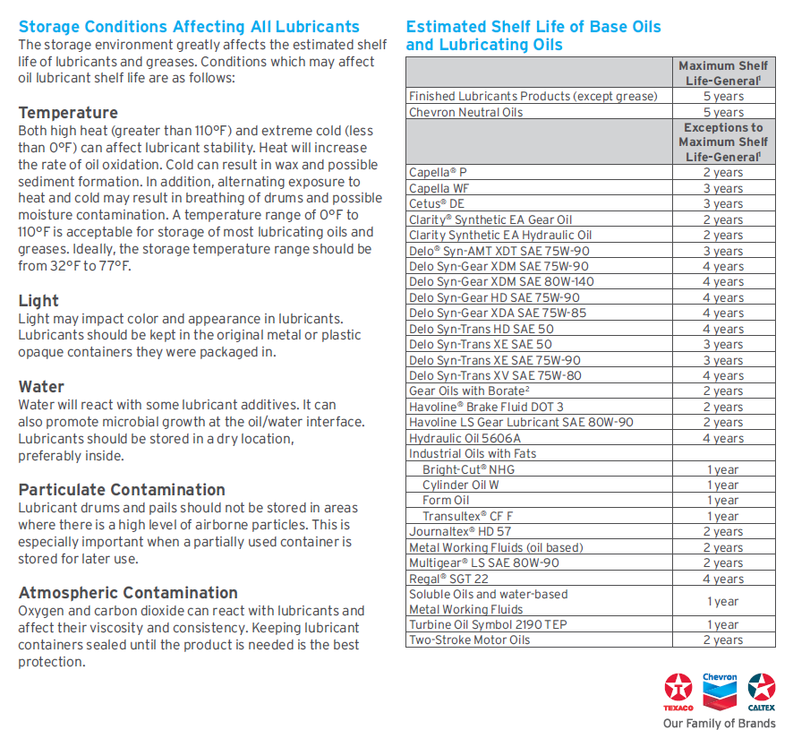
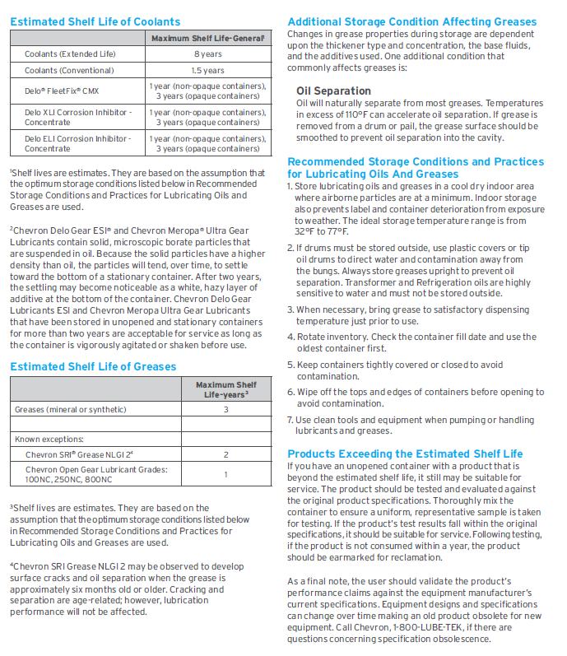

 |  |  | ISO 22
 |  |  | EP 2
 |  |  | ISO 100
 |  |  | ISO 100
Antiwear Hydraulic Oil | Clarity® Bio EliteSyn™ AW 32 | 223010 | ISO 32 | Open Square (Grey) | £ | Solid Square (Red) | ¢
Antiwear Hydraulic Oil | Clarity® Bio EliteSyn™ AW 46 | 223011 | ISO 46 | Open Triangle (Orange) | r | SOLID Triangle (Orange) | p
Antiwear Hydraulic Oil | Clarity® Bio EliteSyn™ AW 68 | 223012 | ISO 68 | Solid Circle (Black) |  | SOLID Triangle (Orange) | p

Compatibility Table
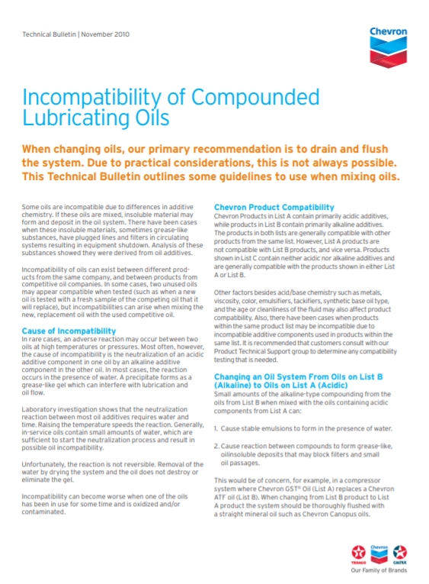

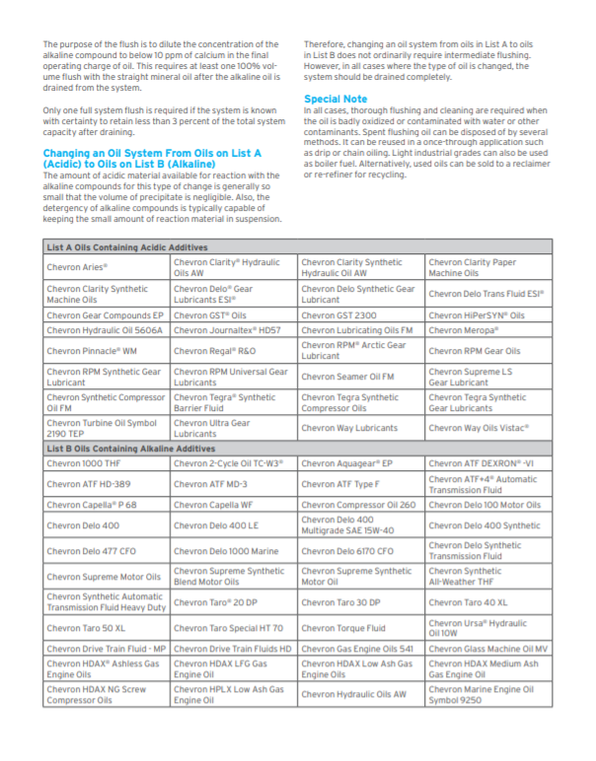

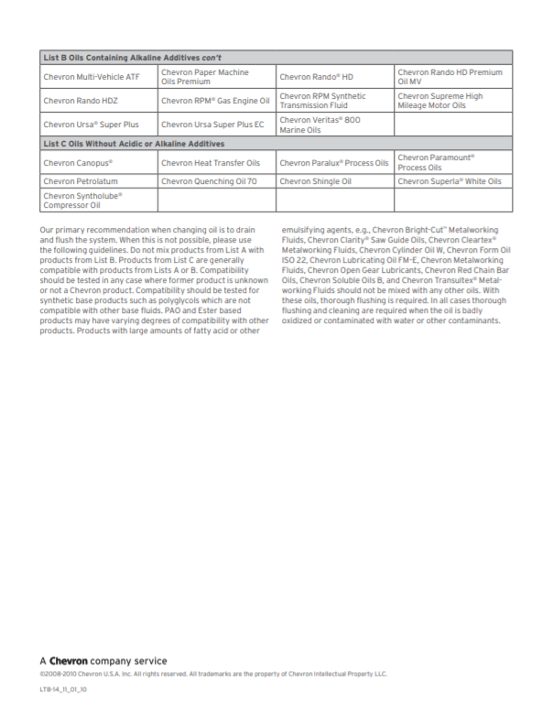

Industrial Oil |  | Aceite industrial | Huile industrielle | ISO 22 | ¢ | SFC190-3-294009 | 100
Gear Lubricant |  | Lubricante para engranajes | Lubrifiant pour engrenages | EP 2 | ¢ | SFC030-3-277213 | 100
Pulp and Paper |  | Pula y papel | Pâtes et papier | ISO 100 | r | SFC230-3-225109 | 100
Transmission Fluid | MT-1 | Fluido para transmisión | Liquide pour boîte de vitesses | ISO 100 | ¢ | SFD160-3-223079 | 100
Transmission Fluid | Antiwear Hydraulic Oil | Clarity® Bio EliteSyn™ AW 32 | 223010 | ISO 32 | Open Square (Grey) | £ | Solid Square (Red) | ¢
Transmission Fluid | Antiwear Hydraulic Oil | Clarity® Bio EliteSyn™ AW 46 | 223011 | ISO 46 | Open Triangle (Orange) | r | SOLID Triangle (Orange) | p
Transmission Fluid | Antiwear Hydraulic Oil | Clarity® Bio EliteSyn™ AW 68 | 223012 | ISO 68 | Solid Circle (Black) |  | SOLID Triangle (Orange) | p

Visual Example
Visual Example of Labels
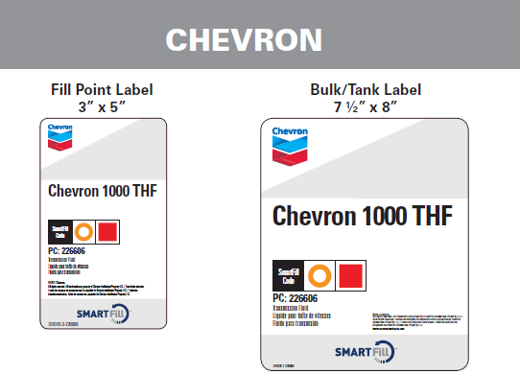
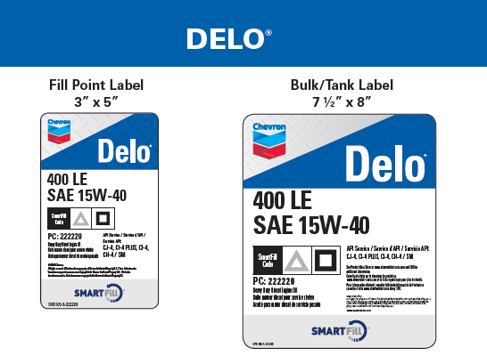

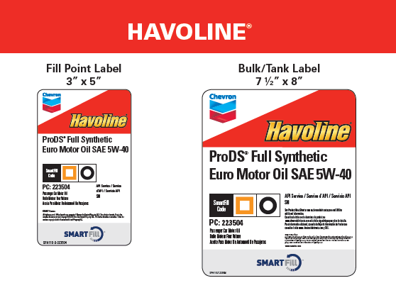
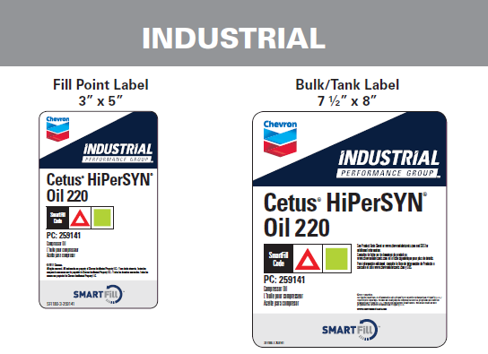

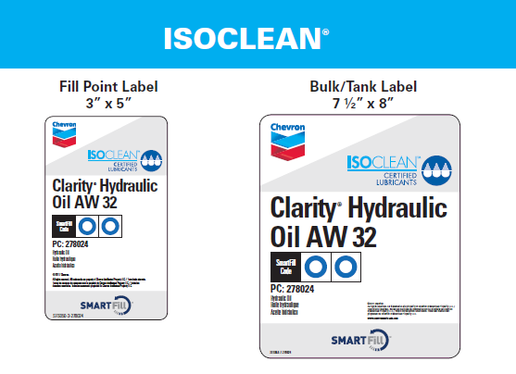

Suppliers
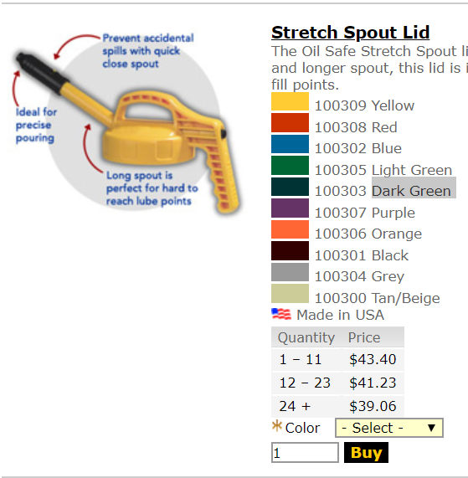
Top Off Containers
Fluid Defense | www.fluiddefense.com | 10 Colors

Trico Corporation | www.tricomfg.com | 10 Colors

LubeRite | http://www.luberite.net | 8 Colors

R&G Labs | www.randglabs.com | Dealer for Fluid Defense products

Oil Safe | www.oilsafesystem.com | 10 Colors
 | http://www.forfluids.com/Oil-Safe/Oil-Safe_2

Grease Tools

Grainger | https://www.grainger.com/search?searchBar=true&searchQuery=orange+grease+gun | 6 Colors | Red, Green, Silver, Black, Blue & Purple

Trico | https://www.tricocorp.com/product/color-coded-grease-gun-bands/ | 7 Colors | Yellow, Red, Green, Blue, Orange, Black, Purple
